Coord
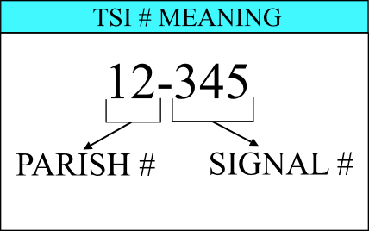
TRAFFIC SIGNAL INVENTORY (v3.2) |  |  |  |  |  |  | TSI NO. |  | 12-345
LOUISIANA DEPARTMENT OF TRANSPORTATION AND DEVELOPMENT |  |  |  |  |  |  | PAGE: | 1 | OF | 8 |  |  | RING INFORMATION
INTERSECTION: |  |  |  |  | CTRL SEC: | LOGMILE:
CITY: |  |  |  | PARISH: | LAT: | LONG: |  |  |  |  |  |  | RING 1 INCLUDES THE FOLLOWING PHASES 1-2-3-4
SIGNAL TYPE: |  |  |  | INTERCONNECT TYPE: | REV. DATE: | INSTALL DATE: |  |  |  |  |  |  | RING 2 INCLUDES THE FOLLOWING PHASES 5-6-7-8
MAINTAINED BY: |  |  | COORDINATED WITH TSI #'S:

TRAFFIC SIGNAL COORDINATION PLANS (PHASING MAY VARY FROM FREE OPERATION)
Ring 1 |  |  |  |  |  |  |  |  |  |  | SYS# is the system number for the intersection. |  | Splits, Force offs and Yield point placements.
 |  |  |  |  |  |  |  |  |  |  | Reference Phase -The reference phase for free operation is the phase that designates the 0s time at end of green.
 |  |  |  |  |  |  |  |  |  |  | -- | Is to be used for 5 section heads when the turn arrows are not used. Turn portion of 5 section heads are to be shown on separate lines from the mainline section heads. |  | Ring 1 | Ring 2

PEDs 1

Ring 2

DRAFT

PEDs 2

OVERLAP
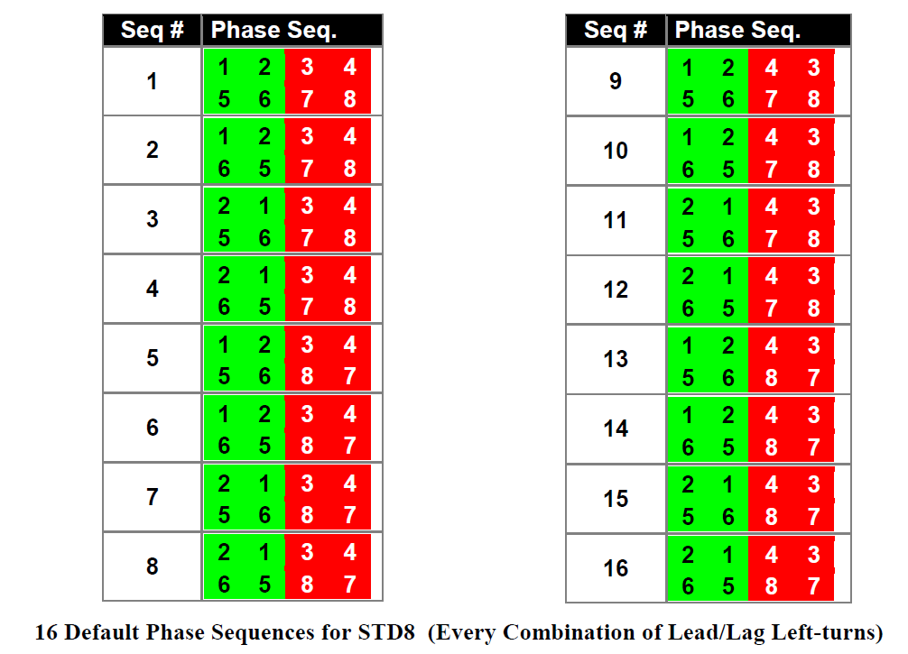

Int. Times |  |  |  |  |  |  |  | Signal Heads
Phasing
Split | sec
Coord F: |  |  |  |  |  |  |  | Offset =
Max: |  |  |  |  |  |  |  |  |  | sec

Pattern/Split: | 1 |  |  |  |  |  |  | Cycle Length:
Action: | 1 |  |  |  |  |  |  | 0
Times of Operation: |  | Mon. - Fri.: |  |  | Sat.: | Sun.:
Notes:

Ring 1

PEDs 1

Ring 2

PEDs 2

OVERLAP

Int. Times |  |  |  |  |  |  |  | Signal Heads
Phasing
Split | sec
Coord F: |  |  |  |  |  |  |  | Offset =
Max: |  |  |  |  |  |  |  |  |  | sec

Pattern/Split: | 1 |  |  |  |  |  |  | Cycle Length:
Action: | 1 |  |  |  |  |  |  | 0
Times of Operation: |  | Mon. - Fri.: |  |  | Sat.: | Sun.:
Notes:

Ring 1

PEDs 1

Ring 2

PEDs 2

OVERLAP

Int. Times |  |  |  |  |  |  |  | Signal Heads
Phasing
Split | sec
Force Offs | sec
Yield Points | sec
Coord F: |  |  |  |  |  |  |  | Offset =
Max: |  |  |  |  |  |  |  |  |  | sec

Pattern/Split: | 1 |  |  |  |  |  |  | Cycle Length:
Action: | 1 |  |  |  |  |  |  | 0
Times of Operation: |  | Mon. - Fri.: |  |  | Sat.: | Sun.:
Notes:

Coord Extra
TRAFFIC SIGNAL INVENTORY (v3.2) |  |  |  |  |  |  |  |  | TSI NO. |  | 12-345
LOUISIANA DEPARTMENT OF TRANSPORTATION AND DEVELOPMENT |  |  |  |  |  |  |  |  | PAGE: | 2 | OF | 8
INTERSECTION: |  | 0 |  |  | CTRL SEC: |  | 0 | LOGMILE: |  | 0
CITY: | 0 |  | PARISH: | 0 | LAT: | 0 |  | LONG: | 0

TRAFFIC SIGNAL COORDINATION PLANS (PHASING MAY VARY FROM FREE OPERATION)
Ring 1 |  |  |  |  |  |  |  |  |  |  |  |  | SYS# is the system number for the intersection. | Splits, Force offs and Yield point placements.
 |  |  |  |  |  |  |  |  |  |  |  |  | Reference Phase -The reference phase for free operation is the phase that designates the 0s time at end of green.
 |  |  |  |  |  |  |  |  |  |  |  |  |  |  | Ring 1 | Ring 2

PEDs 1

Ring 2

DRAFT

PEDs 2

OVERLAP

Int. Times |  |  |  |  |  |  |  |  |  | Signal Heads
Phasing
Split | sec
Coord F: |  |  |  |  |  |  |  |  |  | Offset =
Max: |  |  |  |  |  |  |  |  |  |  |  | sec

Pattern/Split: | 1 |  |  |  |  |  |  |  |  | Cycle Length:
Action: | 1 |  |  |  |  |  |  |  |  | 0
Times of Operation: |  | Mon. - Fri.: |  |  | Sat.: |  |  | Sun.:
Notes:

Ring 1

PEDs 1

Ring 2

PEDs 2

OVERLAP

Int. Times |  |  |  |  |  |  |  |  |  | Signal Heads
Phasing
Split | sec
Coord F: |  |  |  |  |  |  |  |  |  | Offset =
Max: |  |  |  |  |  |  |  |  |  |  |  | sec

Pattern/Split: | 1 |  |  |  |  |  |  |  |  | Cycle Length:
Action: | 1 |  |  |  |  |  |  |  |  | 0
Times of Operation: |  | Mon. - Fri.: |  |  | Sat.: |  |  | Sun.:
Notes:

Ring 1

PEDs 1

Ring 2

PEDs 2

OVERLAP

Int. Times |  |  |  |  |  |  |  |  |  | Signal Heads
Phasing
Split | sec
Force Offs | sec
Yield Points | sec
Coord F: |  |  |  |  |  |  |  |  |  | Offset =
Max: |  |  |  |  |  |  |  |  |  |  |  | sec

Pattern/Split: | 1 |  |  |  |  |  |  |  |  | Cycle Length:
Action: | 1 |  |  |  |  |  |  |  |  | 0
Times of Operation: |  | Mon. - Fri.: |  |  | Sat.: |  |  | Sun.:
Notes:

Coord PED
TRAFFIC SIGNAL INVENTORY (v3.2) |  |  |  |  |  |  |  |  |  |  |  |  |  |  |  |  | TSI NO. |  | 12-345
LOUISIANA DEPARTMENT OF TRANSPORTATION AND DEVELOPMENT |  |  |  |  |  |  |  |  |  |  |  |  |  |  |  |  | PAGE: | 1 | OF | 8 |  | RING INFORMATION
INTERSECTION: |  | 0 |  |  |  |  |  |  |  |  |  | CTRL SEC: |  | 0 | LOGMILE: |  |  | 0
CITY: | 0 |  |  |  | PARISH: |  | 0 |  |  |  |  | LAT: | 0 |  | LONG: |  | 0 |  |  |  |  | RING 1 INCLUDES THE FOLLOWING PHASES 1-2-3-4
SIGNAL TYPE: |  | 0 |  |  | INTERCONNECT TYPE: |  |  |  | 0 |  |  | REV. DATE: |  | 0 |  | INSTALL DATE: |  |  | 0 |  |  | RING 2 INCLUDES THE FOLLOWING PHASES 5-6-7-8
SIGNAL WARRANTS: |  |  |  | MAINTAINED BY: |  |  |  | CONT. MANUF: |  | Trafficware | SYS#: |  |  | Controller IP:
MAINTAINED BY: |  | 0 | COORDINATED WITH TSI #'S: |  |  | 0

TRAFFIC SIGNAL COORDINATION PLANS (PHASING MAY VARY FROM FREE OPERATION)
Ring 1 |  |  |  |  |  |  |  |  |  |  |  |  |  |  |  |  |  |  |  |  | SYS# is the system number for the intersection. | Splits, Force offs and Yield point placements.
 |  |  |  |  |  |  |  |  |  |  |  |  |  |  |  |  |  |  |  |  | Reference Phase -The reference phase for free operation is the phase that designates the 0s time at end of green.
 |  |  |  |  |  |  |  |  |  |  |  |  |  |  |  |  |  |  |  |  |  |  | Ring 1 | Ring 2

PEDs 1

Ring 2

DRAFT

PEDs 2

OVERLAP

Int. Times |  |  |  |  |  |  |  |  |  |  |  |  |  |  |  |  |  | Signal Heads
Phasing
Split | sec
Coord F: |  |  |  |  |  |  |  |  |  |  |  |  |  |  |  |  |  | Offset =
Max: |  |  |  |  |  |  |  |  |  |  |  |  |  |  |  |  |  |  |  | sec
MAX INHIBIT
Pattern/Split: | 1 |  |  |  |  |  |  |  |  |  |  |  |  |  |  |  |  | Cycle Length:
Action: | 1 |  |  |  |  |  |  |  |  |  |  |  |  |  |  |  |  | 0
Times of Operation: |  | Mon. - Fri.: |  |  |  |  |  |  |  |  |  | Sat.: |  |  |  | Sun.:
Notes:

Ring 1

PEDs 1

Ring 2

PEDs 2

OVERLAP

Int. Times |  |  |  |  |  |  |  |  |  |  |  |  |  |  |  |  |  | Signal Heads
Phasing
Split | sec
Coord F: |  |  |  |  |  |  |  |  |  |  |  |  |  |  |  |  |  | Offset =
Max: |  |  |  |  |  |  |  |  |  |  |  |  |  |  |  |  |  |  |  | sec
MAX INHIBIT
Pattern/Split: | 1 |  |  |  |  |  |  |  |  |  |  |  |  |  |  |  |  | Cycle Length:
Action: | 1 |  |  |  |  |  |  |  |  |  |  |  |  |  |  |  |  | 0
Times of Operation: |  | Mon. - Fri.: |  |  |  |  |  |  |  |  |  | Sat.: |  |  |  | Sun.:
Notes:

Ring 1

PEDs 1

Ring 2

PEDs 2

OVERLAP

Int. Times |  |  |  |  |  |  |  |  |  |  |  |  |  |  |  |  |  | Signal Heads
Phasing
Split | sec
Force Offs | sec
Yield Points | sec
Coord F: |  |  |  |  |  |  |  |  |  |  |  |  |  |  |  |  |  | Offset =
Max: |  |  |  |  |  |  |  |  |  |  |  |  |  |  |  |  |  |  |  | sec

Pattern/Split: | 1 |  |  |  |  |  |  |  |  |  |  |  |  |  |  |  |  | Cycle Length:
Action: | 1 |  |  |  |  |  |  |  |  |  |  |  |  |  |  |  |  | 0
Times of Operation: |  | Mon. - Fri.: |  |  |  |  |  |  |  |  |  | Sat.: |  |  |  | Sun.:
Notes:

Phase Timings
TRAFFIC SIGNAL INVENTORY (v3.2) |  |  |  |  |  |  |  |  |  | TSI NO. |  | 12-345
LOUISIANA DEPARTMENT OF TRANSPORTATION AND DEVELOPMENT |  |  |  |  |  |  |  |  |  | PAGE: | 4 | OF | 8 |  | RING INFORMATION
Intersection: | 0
Phasing Parameters |  |  |  |  |  |  |  |  |  |  |  |  |  |  | RING 1 INCLUDES THE FOLLOWING PHASES 1-2-3-4
Phase Mode | Force Off: | Phase #: | 1 | 2 | 3 | 4 | 5 | 6 | 7 |  | 8 |  |  |  | RING 2 INCLUDES THE FOLLOWING PHASES 5-6-7-8
 |  | Movement:
PARAMETER |  | RANGE(sec)
MIN GREEN (MIN I) |  | 0 - 99
GAP, EXTENSION |  | 0 - 10 |  |  |  |  |  |  |  |  |  |  |  | SYS# is the system number for the intersection. | Splits, Force offs and Yield point placements.
MAX GREEN I (MAX I) |  | 0 - 255
MAX GREEN II (MAX II) |  | 0 - 255 |  |  |  |  |  |  |  |  |  |  |  | Reference Phase -The reference phase for free operation is the phase that designates the 0s time at end of green.
YELLOW CLEARANCE (YEL) |  | 3 - 7 |  |  |  |  |  |  |  |  |  |  |  |  |  | Ring 1 | Ring 2
DRAFT
RED CLEARANCE (RED) |  | 1 - 4
WALK (WALK) |  | 0 - 100
PED CLEARANCE (P CLR) |  | 0 - 100
ADDED INITIAL GREEN |  | 0 - 10
MAXIMUM INITIAL |  | 0 - 255
TIME BEFORE REDUCTION |  | 0 - 255
TIME TO REDUCE |  | 0 - 255
REDUCE BY |  | 0 - 99
MINIMUM GAP |  | 0 - 10
DYNAMIC MAX LIMIT |  | 0 - 255
DYNAMIC MAX STEP |  | 0 - 25
RECALL |  | MIN/MAX
PEDESTRIAN CALL |  | ON/OFF
LOCK CALLS |  | ON/OFF
SOFT RECALLS |  | ON/OFF
REST IN WALK |  | ON/OFF
DUAL ENTRY |  | ON/OFF
ADDITIONAL SIGNAL CONTROLLER SETTINGS

TRAFFIC SIGNAL FREE OPERATION PHASING WHEN ALL PHASES ARE CALLED
Ring 1

PEDs 1

Ring 2

PEDs 2

OVERLAP

Phasing |  |  |  |  |  |  |  |  |  |  | Signal Heads
Max: |  |  |  |  |  |  |  |  |  |  | Pattern/Split:

Sequence #:

Action:
Times of Operation: | Mon. - Fri.: |  |  |  |  |  | Sat.: |  | Sun.:
Notes:

Traffic Counts
TRAFFIC SIGNAL INVENTORY (v3.2) |  |  |  |  |  |  |  |  |  |  | TSI NO. |  | 12-345

LOUISIANA DEPARTMENT OF TRANSPORTATION AND DEVELOPMENT |  |  |  |  |  |  |  |  |  |  | PAGE: | 7 | OF | 8
Intersection: |  |  | 0
TRAFFIC VOLUMES - VPH

 | AM PEAK HOUR: |  |  |  | to |  |  |  | SB

 |  |  |  |  |  |  |  | EB |  |  |  |  | WB
 |  | Count Date:

 |  |  | PHF:

 |  |  |  |  |  |  |  |  | NB

 | MIDDAY PEAK HOUR: |  |  |  | to |  |  |  | SB |  |  |  |  |  | MIDDAY PEAK HOUR: |  |  | to

 |  |  |  |  |  |  |  | EB |  |  |  |  | WB
 |  | Count Date: |  |  |  |  |  |  |  |  |  |  |  |  |  | Count Date:

 |  |  | PHF: |  |  |  |  |  |  |  |  |  |  |  |  |  | PHF:

 |  |  |  |  |  |  |  |  | NB

 | PM PEAK HOUR: |  |  |  | to |  |  |  | SB

 |  |  |  |  |  |  |  | EB |  |  |  |  | WB
 |  | Count Date:

 |  |  | PHF:

 |  |  |  |  |  |  |  |  | NB

Detector # |  |  | Delay(s) | Extends(s) |  | Phase | Equipment |  | Lane # | Size |  | Type

 |  |  |  | Detector #
 |  |  |  | The Detector # is written as a D with the phase number. (Ex. D1 for phase 1 detection) If there are more than 1 detection zone for a phase than letters are added. (Ex. D1a and D1b would be used for multiple detection zones for phase 1). The Detector # should be located on the intersection diagram next to the corresponding detector.

 |  |  |  | Lane #
 |  |  |  | Lane # is determined by starting at inner lane and counting to the edge line.

 |  |  |  |  | Ex:
 |  |  |  |  | A northbound approach with 1 left turn lane, 1 thru and 1 right turn lane would be labeled to following for each lane.

 |  |  |  |  |  | left turn = NB1
 |  |  |  |  |  | thur lane = NB2
 |  |  |  |  |  | right turn = NB3

Detection
TRAFFIC SIGNAL INVENTORY (v3.2) |  |  |  |  |  |  |  | TSI NO. |  | 12-345
LOUISIANA DEPARTMENT OF TRANSPORTATION AND DEVELOPMENT |  |  |  |  |  |  |  | PAGE: | 4 | OF | 8 |  | RING INFORMATION
Intersection: |  | 0
Detection Parameters |  |  |  |  |  |  |  |  |  |  |  |  | RING 1 INCLUDES THE FOLLOWING PHASES 1-2-3-4
Detector # | Delay(s) | Extend(s) | Phase | Equipment | Lane # | Size | Type |  |  |  |  |  | RING 2 INCLUDES THE FOLLOWING PHASES 5-6-7-8

 |  |  |  |  |  |  |  |  |  |  |  | SYS# is the system number for the intersection. | Splits, Force offs and Yield point placements.

 |  |  |  |  |  |  |  |  |  |  |  | Reference Phase -The reference phase for free operation is the phase that designates the 0s time at end of green.
 |  |  |  |  |  |  |  |  |  |  |  |  |  | Ring 1 | Ring 2
DRAFT

Notes:

EMPreemption
TRAFFIC SIGNAL INVENTORY (v3.2) |  |  |  |  | TSI NO. |  | 12-345

LOUISIANA DEPARTMENT OF TRANSPORTATION AND DEVELOPMENT |  |  |  | PAGE: | 8 | OF | 8
INTERSECTION: |  |  | 0

Emergency Preemption Sequence

Normal
Signal
Operation

Normal Clearances

Φ8
Signal preempted to this Phase (Determined by the direction of the Emergency Vehicle)
 | Preemption Timing
 | G | Y | R

#+#
#+#
#+#

Φ2 + Φ6
Φ2 + Φ5
Φ4

#+#
#+#

Φ8
#+#
#+#
Upon Termination of Preempt, Signal goes to this Phase
 | G | Y | R

Resume
Normal
Signal
Operation

Signal in this Phase when preemption occurs

RR Preemption
TRAFFIC SIGNAL INVENTORY (v3.2) |  |  |  |  |  | TSI NO. |  | 12-345

LOUISIANA DEPARTMENT OF TRANSPORTATION AND DEVELOPMENT |  |  |  |  | PAGE: | 8 | OF | 8
INTERSECTION: |  |  |  | 0

Railroad Preemption Sequence and Settings

Normal
Signal
Operation
 | Min Green |  | Cord thru Pre-empt
 | 1

Normal Clearances

Φ8
Signal preempted to this Phase (Determined by the direction of the Emergency Vehicle)
 | Track Clearance
 | G | Y | R

#+#
#+#
#+#

Φ2 + Φ6
Φ2 + Φ5
Φ4

 | Dwell Phases
#+#
#+#

Φ8
#+#
#+#
Upon Termination of Preempt, Signal goes to this Phase
 | Exit Phase
 | G | Y | R

Resume
Normal
Signal
Operation

Signal in this Phase when preemption occurs

